ITO -I
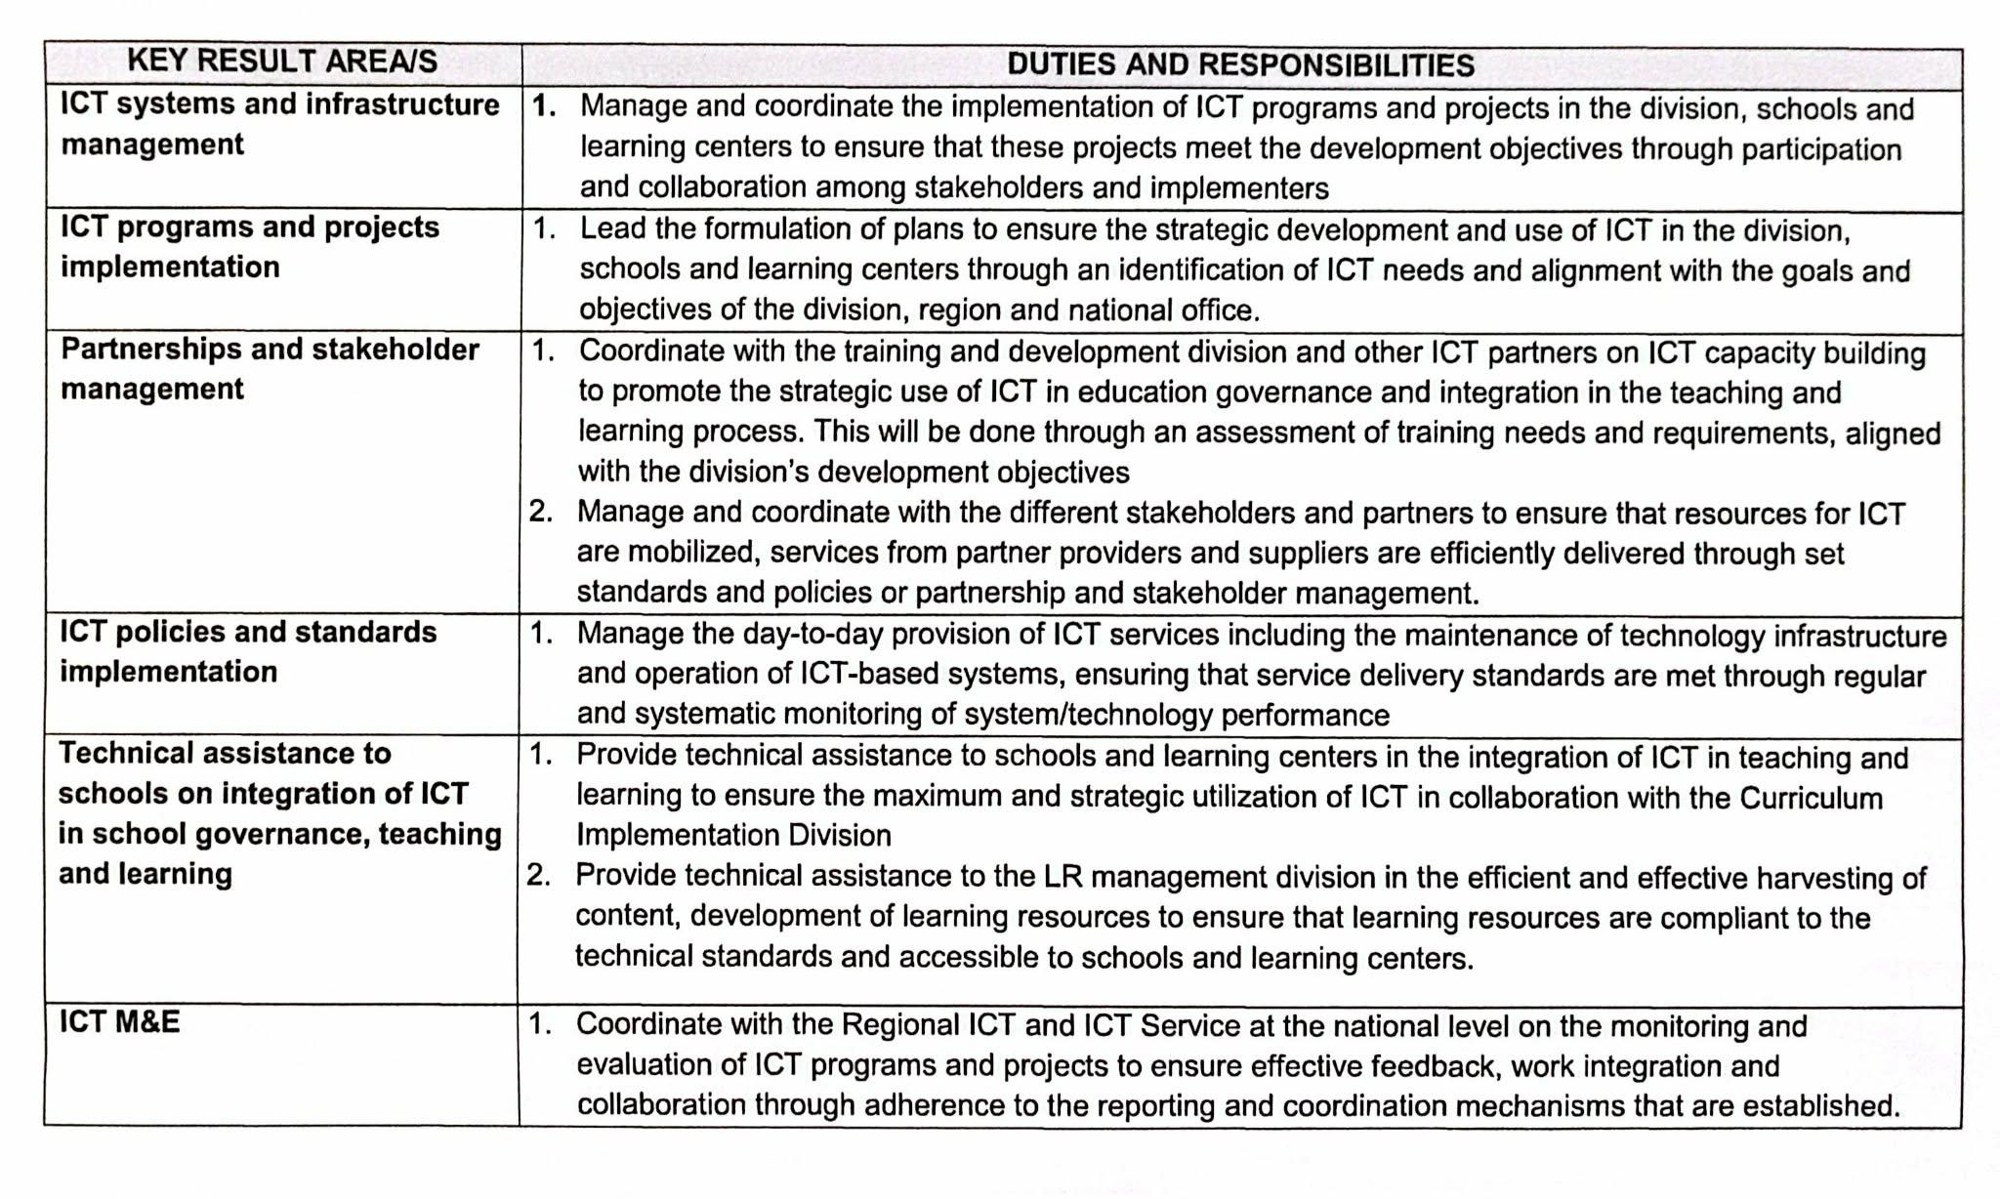
Republic of the Philippines
POSITION DESCRIPTION FORM
DBM-CSC Form No. 1
(Revised Version No. 1 , s. 2017)
 |  |  | 1. POSITION TITLE (as approved by authorized agency) with parenthetical title
 |  |  | INFORMATION TECHNOLOGY OFFICER I
2. ITEM NUMBER |  |  | 3. SALARY GRADE
OSEC-DECSB-ITO1-390012-2014 |  |  | 19

Province
City
Municipality
1st Class
2nd Class
3rd Class
4th Class
5th Class
6th Class
Special
5. DEPARTMENT, CORPORATION OR AGENCY/ LOCAL GOVERNMENT |  |  | 6. BUREAU OR OFFICE
EDUCATION |  |  | DIVISION OFFICE OF LIGAO CITY
7. DEPARTMENT / BRANCH / DIVISION |  |  | 8. WORKSTATION / PLACE OF WORK
EDUCATION |  |  | OFFICE IF THE SCHOOLS DIVISION SUPERINTENDENT OF LIGAO CITY
9. PRESENT APPROP ACT | 10. PREVIOUS APPROP ACT |  | 11. SALARY AUTHORIZED | 12. OTHER COMPENSATION
709,836 | 676,680 |  | 59,153 | 2,000.00
13. POSITION TITLE OF IMMEDIATE SUPERVISOR |  |  | 14. POSITION TITLE OF NEXT HIGHER SUPERVISOR
SCHOOLS DIVISION SUPERINTENDENT
15. POSITION TITLE, AND ITEM OF THOSE DIRECTLY SUPERVISED
(if more than seven (7) list only by their item numbers and titles)
POSITION TITLE |  |  | ITEM NUMBER

16. MACHINE, EQUIPMENT, TOOLS, ETC., USED REGULARLY IN PERFORMANCE OF WORK
COMPUTER, CALCULATOR, PROJECTOR, PRINTER
17. CONTACTS / CLIENTS / STAKEHOLDERS
17a. Internal | Occasional | Frequent | 17b. External | Occasional | Frequent
Executive / Managerial | O | O | General Public | O | O
Supervisors | O | O | Other Agencies | O | O
Non-Supervisors | O | O | Others (Please Specify):
Staff | O | O
18. WORKING CONDITION
Office Work | O | O | Other/s (Please Specify)
Field Work | O | O

19. BRIEF DESCRIPTION OF THE GENERAL FUNCTION OF THE UNIT OR SECTION
Provide technical support to the Division Management (SDS) in managing ICT solutions and services for governance and education, in the implementation of programs and projects that meets strategic goals and objectives, and provide technical assistance to schools and learning centers in the integration of ICT in teaching-learning in accordance with set policies, standards and methodologies for ICT development and use.
20. BRIEF DESCRIPTION OF THE GENERAL FUNCTION OF THE POSITION (Job Summary)

Provide technical support to the Division Management (SDS) in managing ICT solutions and services for governance and education, in the implementation of programs and projects that meets strategic goals and objectives, and provide technical assistance to schools and learning centers in the integration of ICT in teaching-learning in accordance with set policies, standards and methodologies for ICT development and use

21. QUALIFICATION STANDARDS
21a. Education | 21b. Experience |  | 21c. Training | 21d. Eligibility
Bachelor's Degree relevant to the job | 2 years relevant experience |  | 8 hours relevant training | Career Service (Professional) Second Level Eligibility
21e. Core Competencies |  |  |  | Competency Level
Not Applicable |  |  |  | Not Applicable
21f. Leadership Competencies |  |  |  | Competency Level
Not Applicable |  |  |  | Not Applicable
22. STATEMENT OF DUTIES AND RESPONSIBILITIES (Technical Competencies) |  |  |  | Competency Level
Percentage of Working Time | (State the duties and responsibilities here:)
 | attached on separate sheet

23. ACKNOWLEDGMENT AND ACCEPTANCE:
I have received a copy of this position description. It has been discussed with me and I have freely chosen to comply with the performance and behavior/conduct expectations contained herein.
_________________________________________ |  |  | _________________________________________
Employee's Name, Date and Signature |  |  | Supervisor's Name, Date and Signature

