AOII
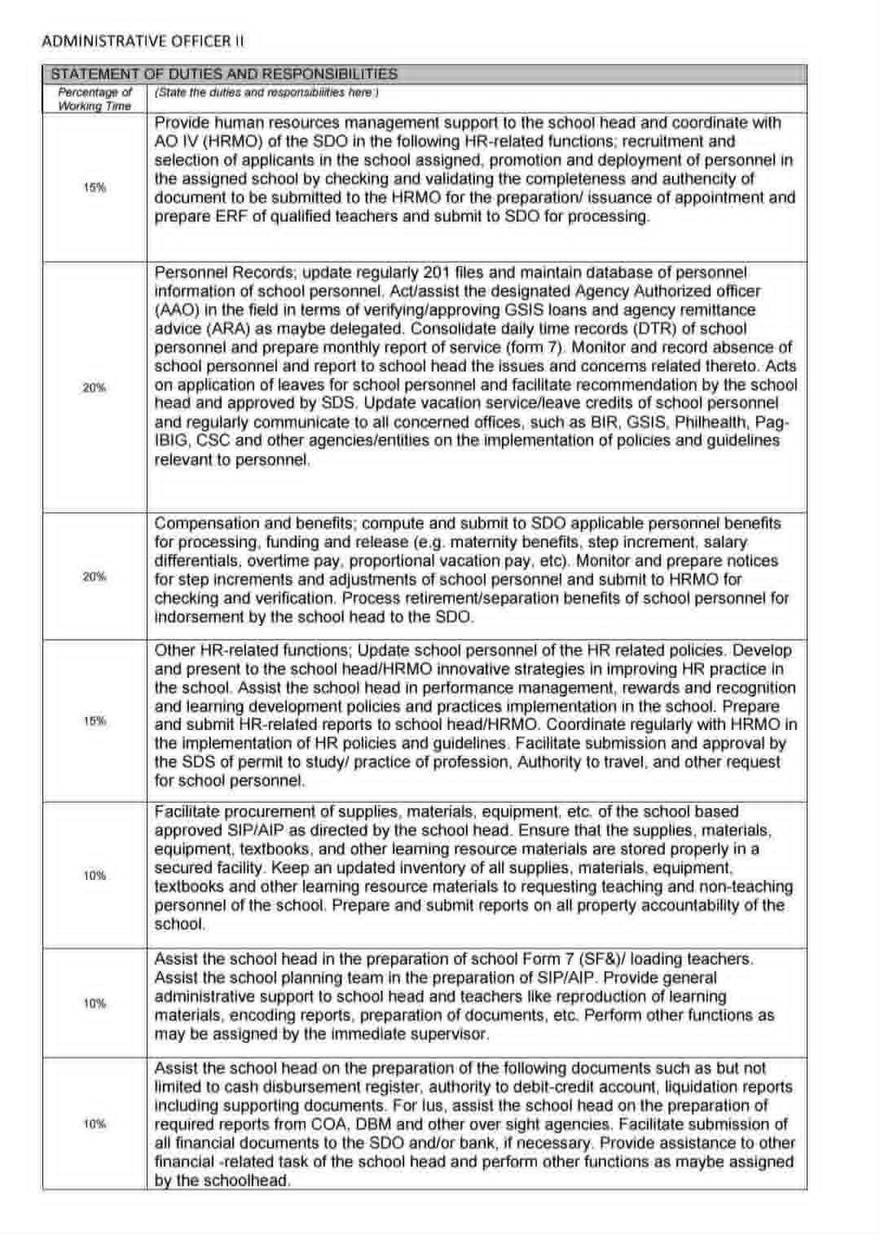
Republic of the Philippines
POSITION DESCRIPTION FORM
DBM-CSC Form No. 1
(Revised Version No. 1 , s. 2017)
 |  |  | 1. POSITION TITLE (as approved by authorized agency) with parenthetical title
 |  |  | ADMINISTRATIVE OFFICER II
2. ITEM NUMBER |  |  | 3. SALARY GRADE
OSEC-DECSB-ADOF2- |  |  | 11

Province
City
Municipality
1st Class
2nd Class
3rd Class
4th Class
5th Class
6th Class
Special
5. DEPARTMENT, CORPORATION OR AGENCY/ LOCAL GOVERNMENT |  |  | 6. BUREAU OR OFFICE
EDUCATION |  |  | DIVISION OFFICE OF LIGAO CITY
7. DEPARTMENT / BRANCH / DIVISION |  |  | 8. WORKSTATION / PLACE OF WORK
EDUCATION
9. PRESENT APPROP ACT | 10. PREVIOUS APPROP ACT |  | 11. SALARY AUTHORIZED | 12. OTHER COMPENSATION
380,460 | 360,288 |  | 31,705 | 2,000.00
13. POSITION TITLE OF IMMEDIATE SUPERVISOR |  |  | 14. POSITION TITLE OF NEXT HIGHER SUPERVISOR
SCHOOL HEAD |  |  | PUBLIC SCHOOLS DIVISION SUPERVISOR
15. POSITION TITLE, AND ITEM OF THOSE DIRECTLY SUPERVISED
(if more than seven (7) list only by their item numbers and titles)
POSITION TITLE |  |  | ITEM NUMBER
N/A |  |  | N/A
16. MACHINE, EQUIPMENT, TOOLS, ETC., USED REGULARLY IN PERFORMANCE OF WORK
COMPUTER, CALCULATOR, PROJECTOR, PRINTER
17. CONTACTS / CLIENTS / STAKEHOLDERS
17a. Internal | Occasional | Frequent | 17b. External | Occasional | Frequent
Executive / Managerial | O | O | General Public | O | O
Supervisors | O | O | Other Agencies | O | O
Non-Supervisors | O | O | Others (Please Specify):
Staff | O | O
18. WORKING CONDITION
Office Work | O | O | Other/s (Please Specify)
Field Work | O | O

19. BRIEF DESCRIPTION OF THE GENERAL FUNCTION OF THE UNIT OR SECTION
To manage the school's operations including finances, facilities and communication.
20. BRIEF DESCRIPTION OF THE GENERAL FUNCTION OF THE POSITION (Job Summary)

This position is responsible for the implementation of an effective and efficient administrative support and selected financial functions particularly on personnel administration, property custodianship, and financial - related tasks in the school.

21. QUALIFICATION STANDARDS
21a. Education | 21b. Experience |  | 21c. Training | 21d. Eligibility
Bachelor's degree relevant to the job | None Required |  | None Required | Career Service Professional (Second Level Eligibility)
21e. Core Competencies |  |  |  | Competency Level
Not Applicable |  |  |  | Not Applicable
21f. Leadership Competencies |  |  |  | Competency Level
Not Applicable |  |  |  | Not Applicable
22. STATEMENT OF DUTIES AND RESPONSIBILITIES (Technical Competencies) |  |  |  | Competency Level
Percentage of Working Time | (State the duties and responsibilities here:)
 | ON SEPARATE SHEET

23. ACKNOWLEDGMENT AND ACCEPTANCE:
I have received a copy of this position description. It has been discussed with me and I have freely chosen to comply with the performance and behavior/conduct expectations contained herein.
_________________________________________ |  |  | _________________________________________
Employee's Name, Date and Signature |  |  | Supervisor's Name, Date and Signature

AO II - HR
Republic of the Philippines
POSITION DESCRIPTION FORM
DBM-CSC Form No. 1
(Revised Version No. 1 , s. 2017)
 |  |  | 1. POSITION TITLE (as approved by authorized agency) with parenthetical title
 |  |  | ADMINISTRATIVE OFFICER II
2. ITEM NUMBER |  |  | 3. SALARY GRADE
OSEC-DECSB-ADOF2- |  |  | 11

Province
City
Municipality
1st Class
2nd Class
3rd Class
4th Class
5th Class
6th Class
Special
5. DEPARTMENT, CORPORATION OR AGENCY/ LOCAL GOVERNMENT |  |  | 6. BUREAU OR OFFICE
EDUCATION |  |  | DIVISION OFFICE OF LIGAO CITY
7. DEPARTMENT / BRANCH / DIVISION |  |  | 8. WORKSTATION / PLACE OF WORK
EDUCATION
9. PRESENT APPROP ACT | 10. PREVIOUS APPROP ACT |  | 11. SALARY AUTHORIZED | 12. OTHER COMPENSATION
380,460 |  |  | 31,705 | 2,000.00
13. POSITION TITLE OF IMMEDIATE SUPERVISOR |  |  | 14. POSITION TITLE OF NEXT HIGHER SUPERVISOR

15. POSITION TITLE, AND ITEM OF THOSE DIRECTLY SUPERVISED
(if more than seven (7) list only by their item numbers and titles)
POSITION TITLE |  |  | ITEM NUMBER
N/A |  |  | N/A
16. MACHINE, EQUIPMENT, TOOLS, ETC., USED REGULARLY IN PERFORMANCE OF WORK
COMPUTER, CALCULATOR, PROJECTOR, PRINTER
17. CONTACTS / CLIENTS / STAKEHOLDERS
17a. Internal | Occasional | Frequent | 17b. External | Occasional | Frequent
Executive / Managerial | O | O | General Public | O | O
Supervisors | O | O | Other Agencies | O | O
Non-Supervisors | O | O | Others (Please Specify):
Staff | O | O
18. WORKING CONDITION
Office Work | O | O | Other/s (Please Specify)
Field Work | O | O

19. BRIEF DESCRIPTION OF THE GENERAL FUNCTION OF THE UNIT OR SECTION
To manage and develop its employees (human capital) to achieve the agency's goals of delivering quality basic education.
20. BRIEF DESCRIPTION OF THE GENERAL FUNCTION OF THE POSITION (Job Summary)

The position shall be responsible in the processing of payroll and other payroll-related services at the SDO. It shall also provide assistance in the monitoring and preparation of reports on filled and unfilled teaching and non-teaching items within the SDO

21. QUALIFICATION STANDARDS
21a. Education | 21b. Experience |  | 21c. Training | 21d. Eligibility
Bachelor's degree relevant to the job | None Required |  | None Required | Career Service Professional (Second Level Eligibility)
21e. Core Competencies |  |  |  | Competency Level
Not Applicable |  |  |  | Not Applicable
21f. Leadership Competencies |  |  |  | Competency Level
Not Applicable |  |  |  | Not Applicable
22. STATEMENT OF DUTIES AND RESPONSIBILITIES (Technical Competencies) |  |  |  | Competency Level
Percentage of Working Time | (State the duties and responsibilities here:)
 | ON SEPARATE SHEET

23. ACKNOWLEDGMENT AND ACCEPTANCE:
I have received a copy of this position description. It has been discussed with me and I have freely chosen to comply with the performance and behavior/conduct expectations contained herein.
_________________________________________ |  |  | _________________________________________
Employee's Name, Date and Signature |  |  | Supervisor's Name, Date and Signature

Key Responsibilities
SALARY ADMINISTRATION AND PERSONNEL RECORDS | Check the accuracy of salaries and benefits given to employees on a periodic basis and respond to queries pertaining to salary/benefit claims
 | Submit to RPSU pertinent documents for payment of salaries, allowances and benefits
 | Compute necessary deduction for inclusion in the monthly payroll
 | Compute salary adjustment based on new salary schedule change/ adjustments in deductions and communicate such to personal concerned (Notice of Step Increase (NOSI) and/or Notice of Salary Adjustment (NOSA)
 | Assist in the processing and release special order for leaves, travel, transfers, reinstatements and non-compensatory time off of office personnel
 | Compute claims of separated, retired, transferred, and resigned personnel affected by movement in employment status and recommends appropriate action
BENEFITS ADMINISTRATION | Draft memoranda on latest issuances on personnel benefits
 | Assist the Admin Officer II (School) in the computation of vacation service credits of teachers for accrual of leaves
 | Process retirement/separation papers including accrued benefits and terminal leave pay of retiring/resigning employees for benefits payment purposes
 | Process application for monetization of leave credits
 | Recommend necessary actions on application for leaves (sick, vacation, study, scholarships and training)
PERSONNEL INFORMATION SYSTEM | Maintain and update the Personnel Services Itemization and Plantilla of Personnel (PSI-POP) to reflect curretn staffing pattern of the organization
 | Maintain a complete and updated personnel records of SDO Office personnel both in the HRIS and in the 201 files
 | Assist in the maintenance and updating of Human Resource information Management System (HRIS) and generates reports on personnel data (from the HRIS) as requested for various human resource management and development decisions
 | Assist in the maintenance of a complete and updated record of Employee Performance Rating both in the HRIS and 201 file of employees as reference for various human resource management and development decisions
OTHER DUTIES | Perform other function as may be assigned by the immediate supervisor

