MT-IV Elem&JHS
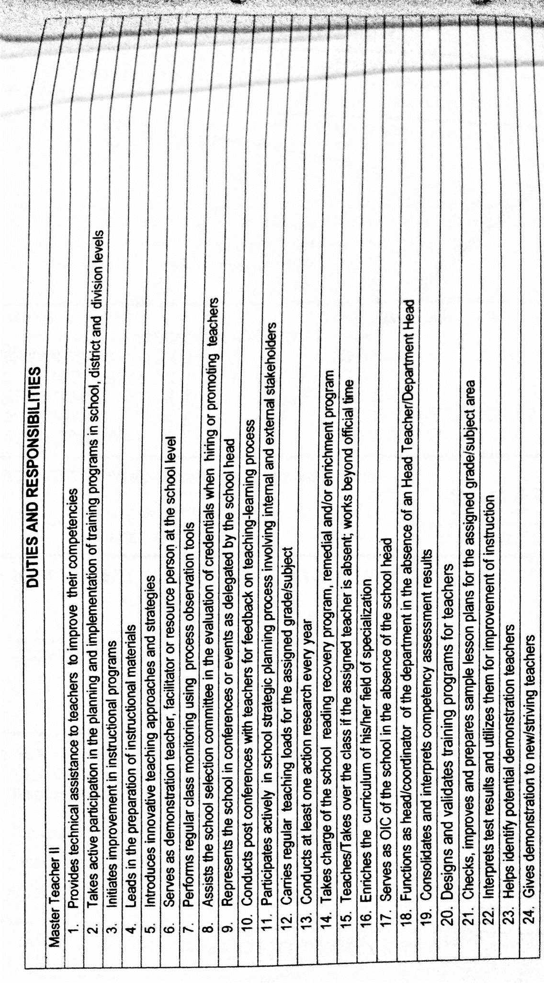
Republic of the Philippines
POSITION DESCRIPTION FORM
DBM-CSC Form No. 1
(Revised Version No. 1 , s. 2017)
 |  |  | 1. POSITION TITLE (as approved by authorized agency) with parenthetical title
 |  |  | MASTER TEACHER IV
2. ITEM NUMBER |  |  | 3. SALARY GRADE
OSEC-DECSB-MTCHR4- |  |  | 21

Province
City
Municipality
1st Class
2nd Class
3rd Class
4th Class
5th Class
6th Class
Special
5. DEPARTMENT, CORPORATION OR AGENCY/ LOCAL GOVERNMENT |  |  | 6. BUREAU OR OFFICE
EDUCATION |  |  | ELEMENTARY
7. DEPARTMENT / BRANCH / DIVISION |  |  | 8. WORKSTATION / PLACE OF WORK
EDUCATION
9. PRESENT APPROP ACT | 10. PREVIOUS APPROP ACT |  | 11. SALARY AUTHORIZED | 12. OTHER COMPENSATION
879,636 |  |  | 73,303 | 2,000.00
13. POSITION TITLE OF IMMEDIATE SUPERVISOR |  |  | 14. POSITION TITLE OF NEXT HIGHER SUPERVISOR
PRINCIPAL |  |  | PSDS
15. POSITION TITLE, AND ITEM OF THOSE DIRECTLY SUPERVISED
(if more than seven (7) list only by their item numbers and titles)
POSITION TITLE |  |  | ITEM NUMBER

16. MACHINE, EQUIPMENT, TOOLS, ETC., USED REGULARLY IN PERFORMANCE OF WORK
COMPUTER, CALCULATOR, PROJECTOR, PRINTER
17. CONTACTS / CLIENTS / STAKEHOLDERS
17a. Internal | Occasional | Frequent | 17b. External | Occasional | Frequent
Executive / Managerial | O | O | General Public | O | O
Supervisors | O | O | Other Agencies | O | O
Non-Supervisors | O | O | Others (Please Specify):
Staff | O | O
18. WORKING CONDITION
Office Work | O | O | Other/s (Please Specify)
Field Work | O | O

19. BRIEF DESCRIPTION OF THE GENERAL FUNCTION OF THE UNIT OR SECTION
IMPLEMENTING THE ENCHANCED K-12 CURRICULUM
20. BRIEF DESCRIPTION OF THE GENERAL FUNCTION OF THE POSITION (Job Summary)

on separate sheet

21. QUALIFICATION STANDARDS
21a. Education | 21b. Experience |  | 21c. Training | 21d. Eligibility
Master's degree in Education, or Educational Leadership, or Educational Management, or relevant subject or learning area | 5 years teaching experience and 3 years relevant experience in instructional supervision and technical assistance to teachers |  | 24 hours of training in any of or a cumulative of the following: Curriculum, Pedagogy, Subject Specialization and 16 hours of training in Instructional Supervision acquired within the last 5 years; or Completion of NEAP- requisite professional development program for Career Stage IV (Distinguished Teacher) | Elementary: RA 1080 (Teacher Elementary/Secondary) Secondary: RA 1080 (Teacher-Secondary)
21e. Core Competencies |  |  |  | Competency Level
Not Applicable |  |  |  | Not Applicable
21f. Leadership Competencies |  |  |  | Competency Level
Not Applicable |  |  |  | Not Applicable
22. STATEMENT OF DUTIES AND RESPONSIBILITIES (Technical Competencies) |  |  |  | Competency Level
Percentage of Working Time | (State the duties and responsibilities here:) |  |  | Advanced
 | *Provides professional assistance and coaching teacher under his/her supervisory control; *Observes classes/teachers foe effective and competent delivery of the curriculum
50%

23. ACKNOWLEDGMENT AND ACCEPTANCE:
I have received a copy of this position description. It has been discussed with me and I have freely chosen to comply with the performance and behavior/conduct expectations contained herein.
_________________________________________ |  |  | _________________________________________
Employee's Name, Date and Signature |  |  | Supervisor's Name, Date and Signature

MT-IV SHS ACAD
Republic of the Philippines
POSITION DESCRIPTION FORM
DBM-CSC Form No. 1
(Revised Version No. 1 , s. 2017)
 |  |  | 1. POSITION TITLE (as approved by authorized agency) with parenthetical title
 |  |  | MASTER TEACHER IV
2. ITEM NUMBER |  |  | 3. SALARY GRADE
OSEC-DECSB-MTCHR4- |  |  | 21

Province
City
Municipality
1st Class
2nd Class
3rd Class
4th Class
5th Class
6th Class
Special
5. DEPARTMENT, CORPORATION OR AGENCY/ LOCAL GOVERNMENT |  |  | 6. BUREAU OR OFFICE
EDUCATION |  |  | SECONDARY
7. DEPARTMENT / BRANCH / DIVISION |  |  | 8. WORKSTATION / PLACE OF WORK
EDUCATION
9. PRESENT APPROP ACT | 10. PREVIOUS APPROP ACT |  | 11. SALARY AUTHORIZED | 12. OTHER COMPENSATION
879,636 |  |  | 73,303 | 2,000.00
13. POSITION TITLE OF IMMEDIATE SUPERVISOR |  |  | 14. POSITION TITLE OF NEXT HIGHER SUPERVISOR
PRINCIPAL |  |  | PSDS
15. POSITION TITLE, AND ITEM OF THOSE DIRECTLY SUPERVISED
(if more than seven (7) list only by their item numbers and titles)
POSITION TITLE |  |  | ITEM NUMBER

16. MACHINE, EQUIPMENT, TOOLS, ETC., USED REGULARLY IN PERFORMANCE OF WORK
COMPUTER, CALCULATOR, PROJECTOR, PRINTER
17. CONTACTS / CLIENTS / STAKEHOLDERS
17a. Internal | Occasional | Frequent | 17b. External | Occasional | Frequent
Executive / Managerial | O | O | General Public | O | O
Supervisors | O | O | Other Agencies | O | O
Non-Supervisors | O | O | Others (Please Specify):
Staff | O | O
18. WORKING CONDITION
Office Work | O | O | Other/s (Please Specify)
Field Work | O | O

19. BRIEF DESCRIPTION OF THE GENERAL FUNCTION OF THE UNIT OR SECTION
IMPLEMENTING THE ENCHANCED K-12 CURRICULUM
20. BRIEF DESCRIPTION OF THE GENERAL FUNCTION OF THE POSITION (Job Summary)

on separate sheet

21. QUALIFICATION STANDARDS
21a. Education | 21b. Experience |  | 21c. Training | 21d. Eligibility
Master's degree in relevant strand/subject plus 18 professional units in Education | 5 years experience in teaching in relevant strand/subject and 3 years experience in instructional supervision and technical assistance to teachers |  | 24 hours of training in any of or a cumulative of the following: Curriculum, Pedagogy, Subject Specialization and 16 hours of training in Instructional Supervision acquired within the last 5 years; or Completion of NEAP- requisite professional development program for Career Stage IV (Distinguished Teacher) | RA 1080 (Teacher- Secondary)
21e. Core Competencies |  |  |  | Competency Level
Not Applicable |  |  |  | Not Applicable
21f. Leadership Competencies |  |  |  | Competency Level
Not Applicable |  |  |  | Not Applicable
22. STATEMENT OF DUTIES AND RESPONSIBILITIES (Technical Competencies) |  |  |  | Competency Level
Percentage of Working Time | (State the duties and responsibilities here:) |  |  | Advanced
 | *Provides professional assistance and coaching teacher under his/her supervisory control; *Observes classes/teachers foe effective and competent delivery of the curriculum
50%

23. ACKNOWLEDGMENT AND ACCEPTANCE:
I have received a copy of this position description. It has been discussed with me and I have freely chosen to comply with the performance and behavior/conduct expectations contained herein.
_________________________________________ |  |  | _________________________________________
Employee's Name, Date and Signature |  |  | Supervisor's Name, Date and Signature

MT-III Elem&JHS
Republic of the Philippines
POSITION DESCRIPTION FORM
DBM-CSC Form No. 1
(Revised Version No. 1 , s. 2017)
 |  |  | 1. POSITION TITLE (as approved by authorized agency) with parenthetical title
 |  |  | MASTER TEACHER III
2. ITEM NUMBER |  |  | 3. SALARY GRADE
OSEC-DECSB-MTCHR3- |  |  | 20

Province
City
Municipality
1st Class
2nd Class
3rd Class
4th Class
5th Class
6th Class
Special
5. DEPARTMENT, CORPORATION OR AGENCY/ LOCAL GOVERNMENT |  |  | 6. BUREAU OR OFFICE
EDUCATION |  |  | ELEMENTARY
7. DEPARTMENT / BRANCH / DIVISION |  |  | 8. WORKSTATION / PLACE OF WORK
EDUCATION
9. PRESENT APPROP ACT | 10. PREVIOUS APPROP ACT |  | 11. SALARY AUTHORIZED | 12. OTHER COMPENSATION
792,624 |  |  | 66,052 | 2,000.00
13. POSITION TITLE OF IMMEDIATE SUPERVISOR |  |  | 14. POSITION TITLE OF NEXT HIGHER SUPERVISOR
PRINCIPAL |  |  | PSDS
15. POSITION TITLE, AND ITEM OF THOSE DIRECTLY SUPERVISED
(if more than seven (7) list only by their item numbers and titles)
POSITION TITLE |  |  | ITEM NUMBER

16. MACHINE, EQUIPMENT, TOOLS, ETC., USED REGULARLY IN PERFORMANCE OF WORK
COMPUTER, CALCULATOR, PROJECTOR, PRINTER
17. CONTACTS / CLIENTS / STAKEHOLDERS
17a. Internal | Occasional | Frequent | 17b. External | Occasional | Frequent
Executive / Managerial | O | O | General Public | O | O
Supervisors | O | O | Other Agencies | O | O
Non-Supervisors | O | O | Others (Please Specify):
Staff | O | O
18. WORKING CONDITION
Office Work | O | O | Other/s (Please Specify)
Field Work | O | O

19. BRIEF DESCRIPTION OF THE GENERAL FUNCTION OF THE UNIT OR SECTION
IMPLEMENTING THE ENCHANCED K-12 CURRICULUM
20. BRIEF DESCRIPTION OF THE GENERAL FUNCTION OF THE POSITION (Job Summary)

on separate sheet

21. QUALIFICATION STANDARDS
21a. Education | 21b. Experience |  | 21c. Training | 21d. Eligibility
Master's degree in Education, or Educational Leadership, or Educational Management, or relevant subject or learning area | 5 years teaching experience and 2 year relevant experience in instructional supervision and technical assistance to teachers |  | 24 hours of training in any of or a cumulative of the following: Curriculum, Pedagogy, Subject Specialization and 8 hours of training in Instructional Supervision acquired within the last 5 years; or Completion of NEAP- requisite professional development program for Career Stage IV (Distinguished Teacher) | Elementary: RA 1080 (Teacher- Elementary/Secondary)
21e. Core Competencies |  |  |  | Competency Level
Not Applicable |  |  |  | Not Applicable
21f. Leadership Competencies |  |  |  | Competency Level
Not Applicable |  |  |  | Not Applicable
22. STATEMENT OF DUTIES AND RESPONSIBILITIES (Technical Competencies) |  |  |  | Competency Level
Percentage of Working Time | (State the duties and responsibilities here:) |  |  | Advanced
 | *Provides professional assistance and coaching teacher under his/her supervisory control; *Observes classes/teachers foe effective and competent delivery of the curriculum
50%

23. ACKNOWLEDGMENT AND ACCEPTANCE:
I have received a copy of this position description. It has been discussed with me and I have freely chosen to comply with the performance and behavior/conduct expectations contained herein.
_________________________________________ |  |  | _________________________________________
Employee's Name, Date and Signature |  |  | Supervisor's Name, Date and Signature

MT-III SHS ACAD
Republic of the Philippines
POSITION DESCRIPTION FORM
DBM-CSC Form No. 1
(Revised Version No. 1 , s. 2017)
 |  |  | 1. POSITION TITLE (as approved by authorized agency) with parenthetical title
 |  |  | MASTER TEACHER III
2. ITEM NUMBER |  |  | 3. SALARY GRADE
OSEC-DECSB-MTCHR3- |  |  | 20

Province
City
Municipality
1st Class
2nd Class
3rd Class
4th Class
5th Class
6th Class
Special
5. DEPARTMENT, CORPORATION OR AGENCY/ LOCAL GOVERNMENT |  |  | 6. BUREAU OR OFFICE
EDUCATION |  |  | ELEMENTARY
7. DEPARTMENT / BRANCH / DIVISION |  |  | 8. WORKSTATION / PLACE OF WORK
EDUCATION
9. PRESENT APPROP ACT | 10. PREVIOUS APPROP ACT |  | 11. SALARY AUTHORIZED | 12. OTHER COMPENSATION
792,624 |  |  | 66,052 | 2,000.00
13. POSITION TITLE OF IMMEDIATE SUPERVISOR |  |  | 14. POSITION TITLE OF NEXT HIGHER SUPERVISOR
PRINCIPAL |  |  | PSDS
15. POSITION TITLE, AND ITEM OF THOSE DIRECTLY SUPERVISED
(if more than seven (7) list only by their item numbers and titles)
POSITION TITLE |  |  | ITEM NUMBER

16. MACHINE, EQUIPMENT, TOOLS, ETC., USED REGULARLY IN PERFORMANCE OF WORK
COMPUTER, CALCULATOR, PROJECTOR, PRINTER
17. CONTACTS / CLIENTS / STAKEHOLDERS
17a. Internal | Occasional | Frequent | 17b. External | Occasional | Frequent
Executive / Managerial | O | O | General Public | O | O
Supervisors | O | O | Other Agencies | O | O
Non-Supervisors | O | O | Others (Please Specify):
Staff | O | O
18. WORKING CONDITION
Office Work | O | O | Other/s (Please Specify)
Field Work | O | O

19. BRIEF DESCRIPTION OF THE GENERAL FUNCTION OF THE UNIT OR SECTION
IMPLEMENTING THE ENCHANCED K-12 CURRICULUM
20. BRIEF DESCRIPTION OF THE GENERAL FUNCTION OF THE POSITION (Job Summary)

on separate sheet

21. QUALIFICATION STANDARDS
21a. Education | 21b. Experience |  | 21c. Training | 21d. Eligibility
Master's degree in relevant strand/subject plus 18 professional units in Education | 5 years experience in teaching in relevant strand/subject and 2 years experience in instructional supervision and technical assistance to teachers |  | 24 hours of training in any of or a cumulative of the following: Curriculum, Pedagogy, Subject Specialization and 8 hours of training in Instructional Supervision acquired within the last 5 years; or Completion of NEAP- requisite professional development program for Career Stage IV (Distinguished Teacher) | RA 1080 (Teacher- Secondary)
21e. Core Competencies |  |  |  | Competency Level
Not Applicable |  |  |  | Not Applicable
21f. Leadership Competencies |  |  |  | Competency Level
Not Applicable |  |  |  | Not Applicable
22. STATEMENT OF DUTIES AND RESPONSIBILITIES (Technical Competencies) |  |  |  | Competency Level
Percentage of Working Time | (State the duties and responsibilities here:) |  |  | Advanced
 | *Provides professional assistance and coaching teacher under his/her supervisory control; *Observes classes/teachers foe effective and competent delivery of the curriculum
50%

23. ACKNOWLEDGMENT AND ACCEPTANCE:
I have received a copy of this position description. It has been discussed with me and I have freely chosen to comply with the performance and behavior/conduct expectations contained herein.
_________________________________________ |  |  | _________________________________________
Employee's Name, Date and Signature |  |  | Supervisor's Name, Date and Signature

MT-II Elem&JHS
Republic of the Philippines
POSITION DESCRIPTION FORM
DBM-CSC Form No. 1
(Revised Version No. 1 , s. 2017)
 |  |  | 1. POSITION TITLE (as approved by authorized agency) with parenthetical title
 |  |  | MASTER TEACHER II
2. ITEM NUMBER |  |  | 3. SALARY GRADE
OSEC-DECSB-MTCHR2- |  |  | 19

Province
City
Municipality
1st Class
2nd Class
3rd Class
4th Class
5th Class
6th Class
Special
5. DEPARTMENT, CORPORATION OR AGENCY/ LOCAL GOVERNMENT |  |  | 6. BUREAU OR OFFICE
EDUCATION |  |  | ELEMENTARY
7. DEPARTMENT / BRANCH / DIVISION |  |  | 8. WORKSTATION / PLACE OF WORK
EDUCATION
9. PRESENT APPROP ACT | 10. PREVIOUS APPROP ACT |  | 11. SALARY AUTHORIZED | 12. OTHER COMPENSATION
709,836 |  |  | 59,153 | 2,000.00
13. POSITION TITLE OF IMMEDIATE SUPERVISOR |  |  | 14. POSITION TITLE OF NEXT HIGHER SUPERVISOR
PRINCIPAL |  |  | PSDS
15. POSITION TITLE, AND ITEM OF THOSE DIRECTLY SUPERVISED
(if more than seven (7) list only by their item numbers and titles)
POSITION TITLE |  |  | ITEM NUMBER

16. MACHINE, EQUIPMENT, TOOLS, ETC., USED REGULARLY IN PERFORMANCE OF WORK
COMPUTER, CALCULATOR, PROJECTOR, PRINTER
17. CONTACTS / CLIENTS / STAKEHOLDERS
17a. Internal | Occasional | Frequent | 17b. External | Occasional | Frequent
Executive / Managerial | O | O | General Public | O | O
Supervisors | O | O | Other Agencies | O | O
Non-Supervisors | O | O | Others (Please Specify):
Staff | O | O
18. WORKING CONDITION
Office Work | O | O | Other/s (Please Specify)
Field Work | O | O

19. BRIEF DESCRIPTION OF THE GENERAL FUNCTION OF THE UNIT OR SECTION
IMPLEMENTING THE ENCHANCED K-12 CURRICULUM
20. BRIEF DESCRIPTION OF THE GENERAL FUNCTION OF THE POSITION (Job Summary)

on separate sheet

21. QUALIFICATION STANDARDS
21a. Education | 21b. Experience |  | 21c. Training | 21d. Eligibility
Master's degree in Education, or Educational Leadership, or Educational Management, or relevant subject or learning area | 5 years teaching experience and 1 year relevant experience in instructional supervision and technical assistance to teachers |  | 24 hours of training in any of or a cumulative of the following: Curriculum, Pedagogy, Subject Specialization and 8 hours of training in Instructional Supervision acquired within the last 5 years; or Completion of NEAP- requisite professional development program for Career Stage III (Highly Proficient Teacher) | Elementary: RA 1080 (Teacher- Elementary/Secondary)
21e. Core Competencies |  |  |  | Competency Level
Not Applicable |  |  |  | Not Applicable
21f. Leadership Competencies |  |  |  | Competency Level
Not Applicable |  |  |  | Not Applicable
22. STATEMENT OF DUTIES AND RESPONSIBILITIES (Technical Competencies) |  |  |  | Competency Level
Percentage of Working Time | (State the duties and responsibilities here:) |  |  | Advanced
 | *Provides professional assistance and coaching teacher under his/her supervisory control; *Observes classes/teachers foe effective and competent delivery of the curriculum
50%

23. ACKNOWLEDGMENT AND ACCEPTANCE:
I have received a copy of this position description. It has been discussed with me and I have freely chosen to comply with the performance and behavior/conduct expectations contained herein.
_________________________________________ |  |  | _________________________________________
Employee's Name, Date and Signature |  |  | Supervisor's Name, Date and Signature

MT-I -Elem & JHS
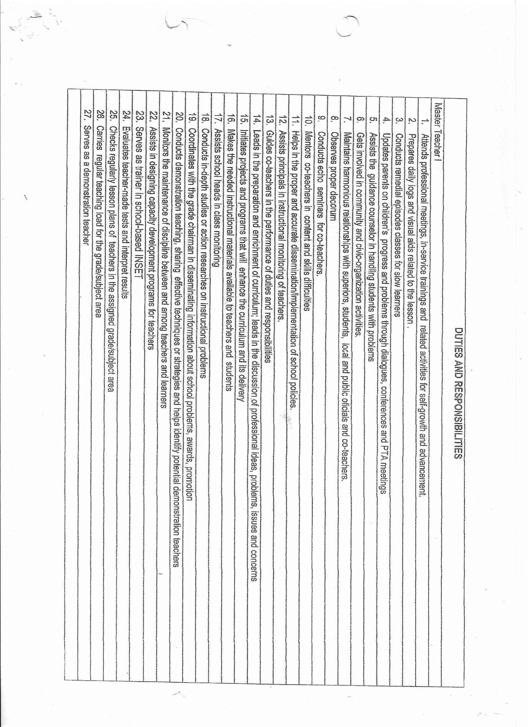
Republic of the Philippines
POSITION DESCRIPTION FORM
DBM-CSC Form No. 1
(Revised Version No. 1 , s. 2017)
 |  |  | 1. POSITION TITLE (as approved by authorized agency) with parenthetical title
 |  |  | MASTER TEACHER I
2. ITEM NUMBER |  |  | 3. SALARY GRADE
OSEC-DECSB-MTCHR1- |  |  | 18

Province
City
Municipality
1st Class
2nd Class
3rd Class
4th Class
5th Class
6th Class
Special
5. DEPARTMENT, CORPORATION OR AGENCY/ LOCAL GOVERNMENT |  |  | 6. BUREAU OR OFFICE
EDUCATION |  |  | ELEMENTARY
7. DEPARTMENT / BRANCH / DIVISION |  |  | 8. WORKSTATION / PLACE OF WORK
EDUCATION
9. PRESENT APPROP ACT | 10. PREVIOUS APPROP ACT |  | 11. SALARY AUTHORIZED | 12. OTHER COMPENSATION
645,816 |  |  | 53,818 | 2,000.00
13. POSITION TITLE OF IMMEDIATE SUPERVISOR |  |  | 14. POSITION TITLE OF NEXT HIGHER SUPERVISOR
 |  |  | PSDS
15. POSITION TITLE, AND ITEM OF THOSE DIRECTLY SUPERVISED
(if more than seven (7) list only by their item numbers and titles)
POSITION TITLE |  |  | ITEM NUMBER

16. MACHINE, EQUIPMENT, TOOLS, ETC., USED REGULARLY IN PERFORMANCE OF WORK
COMPUTER, CALCULATOR, PROJECTOR, PRINTER
17. CONTACTS / CLIENTS / STAKEHOLDERS
17a. Internal | Occasional | Frequent | 17b. External | Occasional | Frequent
Executive / Managerial | O | O | General Public | O | O
Supervisors | O | O | Other Agencies | O | O
Non-Supervisors | O | O | Others (Please Specify):
Staff | O | O
18. WORKING CONDITION
Office Work | O | O | Other/s (Please Specify)
Field Work | O | O

19. BRIEF DESCRIPTION OF THE GENERAL FUNCTION OF THE UNIT OR SECTION

20. BRIEF DESCRIPTION OF THE GENERAL FUNCTION OF THE POSITION (Job Summary)

on separate sheet

21. QUALIFICATION STANDARDS
21a. Education | 21b. Experience |  | 21c. Training | 21d. Eligibility
Master's Degree in Education, or Educational Leadership, or Educational Management, or relevant subject or learning area | 5 years teaching experience |  | 24 hours of training in any of or a cumulative of the following: Curriculum, Pedagogy, Subject Specialization and 8 hours of training in Instructional Supervision acquired within the last 5 years; or Completion of NEAP- requisite professional development program for Career Stage III (Highly Proficient Teacher) | Elementary: RA 1080 (Teacher- Elementary/Secondary)
21e. Core Competencies |  |  |  | Competency Level
Not Applicable |  |  |  | Not Applicable
21f. Leadership Competencies |  |  |  | Competency Level
Not Applicable |  |  |  | Not Applicable
22. STATEMENT OF DUTIES AND RESPONSIBILITIES (Technical Competencies) |  |  |  | Competency Level
Percentage of Working Time | (State the duties and responsibilities here:) |  |  | Advanced
 | *Provides professional assistance and coaching teacher under his/her supervisory control; *Observes classes/teachers foe effective and competent delivery of the curriculum
50%

23. ACKNOWLEDGMENT AND ACCEPTANCE:
I have received a copy of this position description. It has been discussed with me and I have freely chosen to comply with the performance and behavior/conduct expectations contained herein.
_________________________________________ |  |  | _________________________________________
Employee's Name, Date and Signature |  |  | Supervisor's Name, Date and Signature

MT-I ACAD
Republic of the Philippines
POSITION DESCRIPTION FORM
DBM-CSC Form No. 1
(Revised Version No. 1 , s. 2017)
 |  |  | 1. POSITION TITLE (as approved by authorized agency) with parenthetical title
 |  |  | MASTER TEACHER I
2. ITEM NUMBER |  |  | 3. SALARY GRADE
OSEC-DECSB-MTCHR1- |  |  | 18

Province
City
Municipality
1st Class
2nd Class
3rd Class
4th Class
5th Class
6th Class
Special
5. DEPARTMENT, CORPORATION OR AGENCY/ LOCAL GOVERNMENT |  |  | 6. BUREAU OR OFFICE
EDUCATION |  |  | ELEMENTARY
7. DEPARTMENT / BRANCH / DIVISION |  |  | 8. WORKSTATION / PLACE OF WORK
EDUCATION
9. PRESENT APPROP ACT | 10. PREVIOUS APPROP ACT |  | 11. SALARY AUTHORIZED | 12. OTHER COMPENSATION
645,816 |  |  | 53,818 | 2,000.00
13. POSITION TITLE OF IMMEDIATE SUPERVISOR |  |  | 14. POSITION TITLE OF NEXT HIGHER SUPERVISOR
 |  |  | PSDS
15. POSITION TITLE, AND ITEM OF THOSE DIRECTLY SUPERVISED
(if more than seven (7) list only by their item numbers and titles)
POSITION TITLE |  |  | ITEM NUMBER

16. MACHINE, EQUIPMENT, TOOLS, ETC., USED REGULARLY IN PERFORMANCE OF WORK
COMPUTER, CALCULATOR, PROJECTOR, PRINTER
17. CONTACTS / CLIENTS / STAKEHOLDERS
17a. Internal | Occasional | Frequent | 17b. External | Occasional | Frequent
Executive / Managerial | O | O | General Public | O | O
Supervisors | O | O | Other Agencies | O | O
Non-Supervisors | O | O | Others (Please Specify):
Staff | O | O
18. WORKING CONDITION
Office Work | O | O | Other/s (Please Specify)
Field Work | O | O

19. BRIEF DESCRIPTION OF THE GENERAL FUNCTION OF THE UNIT OR SECTION

20. BRIEF DESCRIPTION OF THE GENERAL FUNCTION OF THE POSITION (Job Summary)

on separate sheet

21. QUALIFICATION STANDARDS
21a. Education | 21b. Experience |  | 21c. Training | 21d. Eligibility
Master's Degree in relevant strand/subject plus 18 units in education | 5 years experience in teaching or industry work in relevant strand/subject |  | 24 hours of training in any of or a cumulative of the following : Curriculum, Pedagogy,Subject Specialization and 8 hours of training in Instructural Supervision acquired within the last 5 years or Completion of NEAP - requisite professional development program for Career Stgae III (Highly Proficient Teacher) | RA1080 as amended (Teacher-Secondary) for permanent
21e. Core Competencies |  |  |  | Competency Level
Not Applicable |  |  |  | Not Applicable
21f. Leadership Competencies |  |  |  | Competency Level
Not Applicable |  |  |  | Not Applicable
22. STATEMENT OF DUTIES AND RESPONSIBILITIES (Technical Competencies) |  |  |  | Competency Level
Percentage of Working Time | (State the duties and responsibilities here:) |  |  | Advanced
 | *Provides professional assistance and coaching teacher under his/her supervisory control; *Observes classes/teachers foe effective and competent delivery of the curriculum
50%

23. ACKNOWLEDGMENT AND ACCEPTANCE:
I have received a copy of this position description. It has been discussed with me and I have freely chosen to comply with the performance and behavior/conduct expectations contained herein.
_________________________________________ |  |  | _________________________________________
Employee's Name, Date and Signature |  |  | Supervisor's Name, Date and Signature

MT-I TVL
Republic of the Philippines
POSITION DESCRIPTION FORM
DBM-CSC Form No. 1
(Revised Version No. 1 , s. 2017)
 |  |  | 1. POSITION TITLE (as approved by authorized agency) with parenthetical title
 |  |  | MASTER TEACHER I
2. ITEM NUMBER |  |  | 3. SALARY GRADE
OSEC-DECSB-MTCHR1- |  |  | 18

Province
City
Municipality
1st Class
2nd Class
3rd Class
4th Class
5th Class
6th Class
Special
5. DEPARTMENT, CORPORATION OR AGENCY/ LOCAL GOVERNMENT |  |  | 6. BUREAU OR OFFICE
EDUCATION |  |  | ELEMENTARY
7. DEPARTMENT / BRANCH / DIVISION |  |  | 8. WORKSTATION / PLACE OF WORK
EDUCATION
9. PRESENT APPROP ACT | 10. PREVIOUS APPROP ACT |  | 11. SALARY AUTHORIZED | 12. OTHER COMPENSATION
645,816 |  |  | 53,818 | 2,000.00
13. POSITION TITLE OF IMMEDIATE SUPERVISOR |  |  | 14. POSITION TITLE OF NEXT HIGHER SUPERVISOR
 |  |  | PSDS
15. POSITION TITLE, AND ITEM OF THOSE DIRECTLY SUPERVISED
(if more than seven (7) list only by their item numbers and titles)
POSITION TITLE |  |  | ITEM NUMBER

16. MACHINE, EQUIPMENT, TOOLS, ETC., USED REGULARLY IN PERFORMANCE OF WORK
COMPUTER, CALCULATOR, PROJECTOR, PRINTER
17. CONTACTS / CLIENTS / STAKEHOLDERS
17a. Internal | Occasional | Frequent | 17b. External | Occasional | Frequent
Executive / Managerial | O | O | General Public | O | O
Supervisors | O | O | Other Agencies | O | O
Non-Supervisors | O | O | Others (Please Specify):
Staff | O | O
18. WORKING CONDITION
Office Work | O | O | Other/s (Please Specify)
Field Work | O | O

19. BRIEF DESCRIPTION OF THE GENERAL FUNCTION OF THE UNIT OR SECTION

20. BRIEF DESCRIPTION OF THE GENERAL FUNCTION OF THE POSITION (Job Summary)

on separate sheet

21. QUALIFICATION STANDARDS
21a. Education | 21b. Experience |  | 21c. Training | 21d. Eligibility
Master's Degree in relevant field(s) under the strand/area of specialization plus 18 professional units in education | 5 years experience in teaching or industry experience in relevant strand/subject of specialization |  | National Certificate (NC II) and Trainer's Methodology Certificate (TMC) I in relevant technical-vocational course(s) in the area of specialization or completion of NEAP- requisite professional development program for Career Stage III (Highly Proficient Teacher) | RA1080 as amended (Teacher-Secondary) for permanent
21e. Core Competencies |  |  |  | Competency Level
Not Applicable |  |  |  | Not Applicable
21f. Leadership Competencies |  |  |  | Competency Level
Not Applicable |  |  |  | Not Applicable
22. STATEMENT OF DUTIES AND RESPONSIBILITIES (Technical Competencies) |  |  |  | Competency Level
Percentage of Working Time | (State the duties and responsibilities here:) |  |  | Advanced
 | *Provides professional assistance and coaching teacher under his/her supervisory control; *Observes classes/teachers foe effective and competent delivery of the curriculum
50%

23. ACKNOWLEDGMENT AND ACCEPTANCE:
I have received a copy of this position description. It has been discussed with me and I have freely chosen to comply with the performance and behavior/conduct expectations contained herein.
_________________________________________ |  |  | _________________________________________
Employee's Name, Date and Signature |  |  | Supervisor's Name, Date and Signature

