SP 2-HS
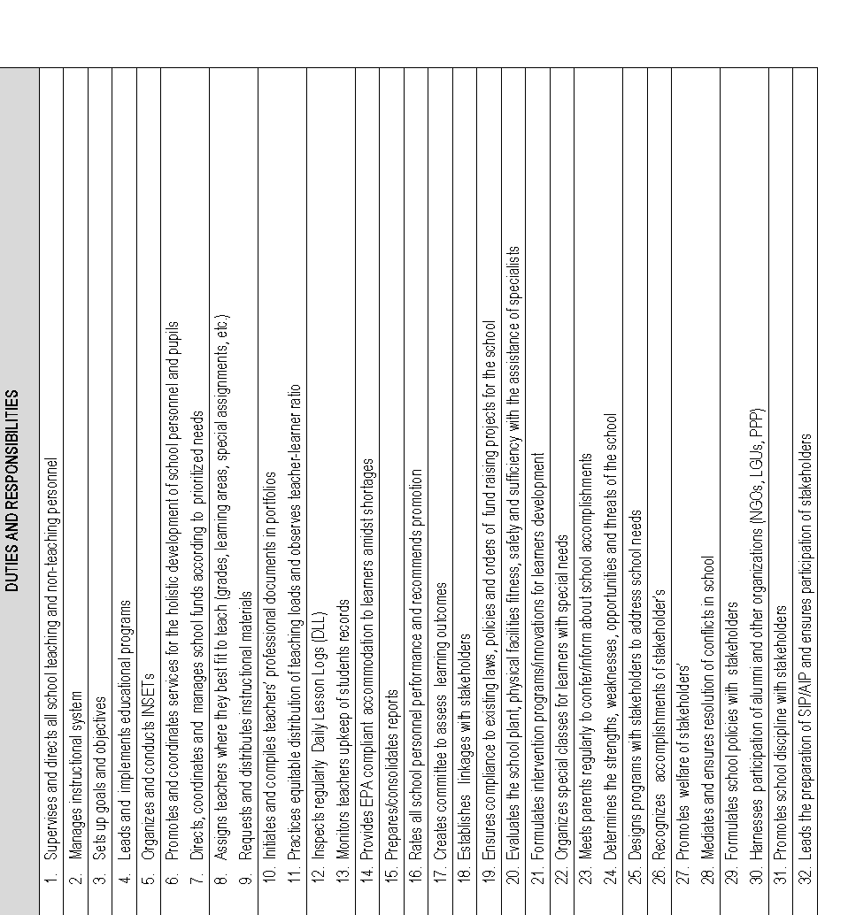
Republic of the Philippines
POSITION DESCRIPTION FORM
DBM-CSC Form No. 1
(Revised Version No. 1 , s. 2017)
 |  |  | 1. POSITION TITLE (as approved by authorized agency) with parenthetical title
 |  |  | SCHOOL PRINCIPAL II
2. ITEM NUMBER |  |  | 3. SALARY GRADE
OSEC-DECSB-SP2- |  |  | 20

Province
City
Municipality
1st Class
2nd Class
3rd Class
4th Class
5th Class
6th Class
Special
5. DEPARTMENT, CORPORATION OR AGENCY/ LOCAL GOVERNMENT |  |  | 6. BUREAU OR OFFICE
EDUCATION |  |  | SECONDARY
7. DEPARTMENT / BRANCH / DIVISION |  |  | 8. WORKSTATION / PLACE OF WORK
LIGAO CITY DIVISION
9. PRESENT APPROP ACT | 10. PREVIOUS APPROP ACT |  | 11. SALARY AUTHORIZED | 12. OTHER COMPENSATION
792,624 |  |  | 66,052 | 2,000.00
13. POSITION TITLE OF IMMEDIATE SUPERVISOR |  |  | 14. POSITION TITLE OF NEXT HIGHER SUPERVISOR
PUBLIC SCHOOLS DISTRICT SUPERVISOR |  |  | ASSISTANT SCHOOLS DIVISION SUPERINTENDENT
15. POSITION TITLE, AND ITEM OF THOSE DIRECTLY SUPERVISED
(if more than seven (7) list only by their item numbers and titles)
POSITION TITLE |  |  | ITEM NUMBER
on separate sheet |  |  | on separate sheet
16. MACHINE, EQUIPMENT, TOOLS, ETC., USED REGULARLY IN PERFORMANCE OF WORK
COMPUTER, CALCULATOR, PROJECTOR, PRINTER
17. CONTACTS / CLIENTS / STAKEHOLDERS
17a. Internal | Occasional | Frequent | 17b. External | Occasional | Frequent
Executive / Managerial | O | O | General Public | O | O
Supervisors | O | O | Other Agencies | O | O
Non-Supervisors | O | O | Others (Please Specify): | N/A
Staff | O | O
18. WORKING CONDITION
Office Work | O | O | Other/s (Please Specify)
Field Work | O | O

19. BRIEF DESCRIPTION OF THE GENERAL FUNCTION OF THE UNIT OR SECTION
Oversees the operations and personnel of a school, ensuring a positive and effective learning environment for students and staff.
20. BRIEF DESCRIPTION OF THE GENERAL FUNCTION OF THE POSITION (Job Summary)

Sets, the mission, vision, goals and objectives of the school, creates an environment that is conducive to teaching-learning process, monitors and assesses the school curriculum and accountable for higher learning outcomes

21. QUALIFICATION STANDARDS
21a. Education | 21b. Experience |  | 21c. Training | 21d. Eligibility
Master's degree in Education, or Educational Management, or Educational Leadership; or Master's degree in relevant learning area with at least 12 units in Management | 5 years teaching experience and 2 years experience in school management and operations |  | 32 hours of training in any of or a cumulative of the following: Curriculum, Pedagogy, School Management and Operations, Instructional Leadership acquired within tile last 5 years | RA 1080 (LET)
21e. Core Competencies |  |  |  | Competency Level
Not Applicable |  |  |  | Not Applicable
21f. Leadership Competencies |  |  |  | Competency Level
Not Applicable |  |  |  | Not Applicable
22. STATEMENT OF DUTIES AND RESPONSIBILITIES (Technical Competencies) |  |  |  | Competency Level
Percentage of Working Time | (State the duties and responsibilities here:) |  |  | Advanced
 | ON SEPARATE SHEET

23. ACKNOWLEDGMENT AND ACCEPTANCE:
I have received a copy of this position description. It has been discussed with me and I have freely chosen to comply with the performance and behavior/conduct expectations contained herein.
_________________________________________ |  |  | _________________________________________
Employee's Name, Date and Signature |  |  | Supervisor's Name, Date and Signature

SP2-ELEM
Republic of the Philippines
POSITION DESCRIPTION FORM
DBM-CSC Form No. 1
(Revised Version No. 1 , s. 2017)
 |  |  | 1. POSITION TITLE (as approved by authorized agency) with parenthetical title
 |  |  | SCHOOL PRINCIPAL II
2. ITEM NUMBER |  |  | 3. SALARY GRADE
OSEC-DECSB-SP2- |  |  | 20

Province
City
Municipality
1st Class
2nd Class
3rd Class
4th Class
5th Class
6th Class
Special
5. DEPARTMENT, CORPORATION OR AGENCY/ LOCAL GOVERNMENT |  |  | 6. BUREAU OR OFFICE
EDUCATION |  |  | ELEMENTARY
7. DEPARTMENT / BRANCH / DIVISION |  |  | 8. WORKSTATION / PLACE OF WORK
LIGAO CITY DIVISION |  |  | DIVISION OF LIGAO CITY- ELEMENTARY EDUCATION
9. PRESENT APPROP ACT | 10. PREVIOUS APPROP ACT |  | 11. SALARY AUTHORIZED | 12. OTHER COMPENSATION
676,680 |  |  | 56,390 | 2,000.00
13. POSITION TITLE OF IMMEDIATE SUPERVISOR |  |  | 14. POSITION TITLE OF NEXT HIGHER SUPERVISOR
PSDS |  |  | ASDS
15. POSITION TITLE, AND ITEM OF THOSE DIRECTLY SUPERVISED
(if more than seven (7) list only by their item numbers and titles)
POSITION TITLE |  |  | ITEM NUMBER

16. MACHINE, EQUIPMENT, TOOLS, ETC., USED REGULARLY IN PERFORMANCE OF WORK
COMPUTER, CALCULATOR, PROJECTOR, PRINTER
17. CONTACTS / CLIENTS / STAKEHOLDERS
17a. Internal | Occasional | Frequent | 17b. External | Occasional | Frequent
Executive / Managerial | O | O | General Public | O | O
Supervisors | O | O | Other Agencies | O | O
Non-Supervisors | O | O | Others (Please Specify):
Staff | O | O
18. WORKING CONDITION
Office Work | O | O | Other/s (Please Specify)
Field Work | O | O

19. BRIEF DESCRIPTION OF THE GENERAL FUNCTION OF THE UNIT OR SECTION
Oversees the operations and personnel of a school, ensuring a positive and effective learning environment for students and staff.
20. BRIEF DESCRIPTION OF THE GENERAL FUNCTION OF THE POSITION (Job Summary)

Sets, the mission, vision, goals and objectives of the school, creates an environment that is conducive to teaching-learning process, monitors and assesses the school curriculum and accountable for higher learning outcomes

21. QUALIFICATION STANDARDS
21a. Education | 21b. Experience |  | 21c. Training | 21d. Eligibility
Master's degree in Education, or Educational Management, or Educational Leadership; or Master's degree in relevant learning area with at least 12 units in Management | 5 years teaching experience and 2 years experience in school management and operations |  | 32 hours of training in any of or a cumulative of the following: Curriculum, Pedagogy, School Management and Operations, Instructional Leadership acquired within tile last 5 years | RA 1080 (LET)
21e. Core Competencies |  |  |  | Competency Level
Not Applicable |  |  |  | Not Applicable
21f. Leadership Competencies |  |  |  | Competency Level
Not Applicable |  |  |  | Not Applicable
22. STATEMENT OF DUTIES AND RESPONSIBILITIES (Technical Competencies) |  |  |  | Competency Level
Percentage of Working Time | (State the duties and responsibilities here:) |  |  | Advanced
 | ON SEPARATE SHEET

23. ACKNOWLEDGMENT AND ACCEPTANCE:
I have received a copy of this position description. It has been discussed with me and I have freely chosen to comply with the performance and behavior/conduct expectations contained herein.
_________________________________________ |  |  | _________________________________________
Employee's Name, Date and Signature |  |  | Supervisor's Name, Date and Signature

