SL
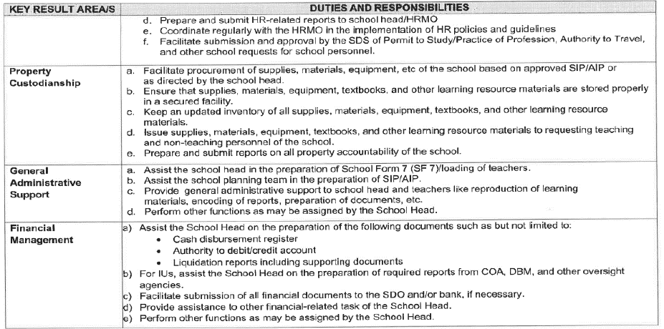
Republic of the Philippines
POSITION DESCRIPTION FORM
DBM-CSC Form No. 1
(Revised Version No. 1 , s. 2017)
 |  |  | 1. POSITION TITLE (as approved by authorized agency) with parenthetical title
 |  |  | SCHOOL LIBRARIAN I
2. ITEM NUMBER |  |  | 3. SALARY GRADE
OSEC-DECSB-SL1- |  |  | 11

Province
City
Municipality
1st Class
2nd Class
3rd Class
4th Class
5th Class
6th Class
Special
5. DEPARTMENT, CORPORATION OR AGENCY/ LOCAL GOVERNMENT |  |  | 6. BUREAU OR OFFICE
EDUCATION |  |  | DIVISION OFFICE OF LIGAO CITY
7. DEPARTMENT / BRANCH / DIVISION |  |  | 8. WORKSTATION / PLACE OF WORK
EDUCATION
9. PRESENT APPROP ACT | 10. PREVIOUS APPROP ACT |  | 11. SALARY AUTHORIZED | 12. OTHER COMPENSATION
360,288 |  |  | 30,024 | 2,000.00
13. POSITION TITLE OF IMMEDIATE SUPERVISOR |  |  | 14. POSITION TITLE OF NEXT HIGHER SUPERVISOR

15. POSITION TITLE, AND ITEM OF THOSE DIRECTLY SUPERVISED
(if more than seven (7) list only by their item numbers and titles)
POSITION TITLE |  |  | ITEM NUMBER
N/A |  |  | N/A
16. MACHINE, EQUIPMENT, TOOLS, ETC., USED REGULARLY IN PERFORMANCE OF WORK
COMPUTER, CALCULATOR, PROJECTOR, PRINTER, BOOKS, FLASH CARD
17. CONTACTS / CLIENTS / STAKEHOLDERS
17a. Internal | Occasional | Frequent | 17b. External | Occasional | Frequent
Executive / Managerial |  |  | General Public
Supervisors |  |  | Other Agencies
Non-Supervisors |  |  | Others (Please Specify):
Staff
18. WORKING CONDITION
Office Work |  |  | Other/s (Please Specify)
Field Work

19. BRIEF DESCRIPTION OF THE GENERAL FUNCTION OF THE UNIT OR SECTION
- To manage all library resources in a school, including print, audio-visual, online and e-learning material - To maintain and update inventory of school library - To maintain statistical record of library users and utilization of library materials
20. BRIEF DESCRIPTION OF THE GENERAL FUNCTION OF THE POSITION (Job Summary)

This position shall assist in managing the School’s Library, including curating and organizing collections of learning materials, and provide services to support students and teachers - This position shall also assist in administrative duties, such as maintaining records and managing the Learning Resource Management and Development System (LRMDS), and instructional responsibilities like teaching information literacy skills and assisting with research.
This position helps to make resources accessible and promote the effective use of materials to enhance learning and achieve educational objectives.

21. QUALIFICATION STANDARDS
21a. Education | 21b. Experience |  | 21c. Training | 21d. Eligibility
Bachelor of Library Science or Information Science or any Bachelor's Degree major in Library Science or Information Science | None Required |  | None Required | RA 1080 (Librarian)
21e. Core Competencies |  |  |  | Competency Level
Not Applicable |  |  |  | Not Applicable
21f. Leadership Competencies |  |  |  | Competency Level
Not Applicable |  |  |  | Not Applicable
22. STATEMENT OF DUTIES AND RESPONSIBILITIES (Technical Competencies) |  |  |  | Competency Level
Percentage of Working Time | (State the duties and responsibilities here:)
 | - To manage all library resources in a school, including print, audio-visual, online and e-learning material - To maintain and update inventory of school library - To maintain statistical record of library users and utilization of library materials

23. ACKNOWLEDGMENT AND ACCEPTANCE:
I have received a copy of this position description. It has been discussed with me and I have freely chosen to comply with the performance and behavior/conduct expectations contained herein.
_________________________________________ |  |  | _________________________________________
Employee's Name, Date and Signature |  |  | Supervisor's Name, Date and Signature

