COA Central Office Clearance fo
Clearance Form
(Modified per DepED Order No. 2, s. 2021)
 |  | Series of 2017

Schools Division Office of Ligao City
CLEARANCE FORM
(Instructions at the back)
I | PURPOSE

 |  |  |  |  |  |  |  |  | Date of Application
TO: |  |  | (Agency Name)
 |  |  | I hereby apply for clearance from money, property and work-related accountabilities for:
 |  |  | Purpose: | Transfer | £ Resignation |  | £ Other Mode of Separation:
 |  |  |  | £ Retirement | £ Leave |  |  | Please specify: __________________________
 |  |  | Effectivity/Inclusive Period: __________________________________________________________

Office of Assignment: ____________________________
 |  |  |  |  |  |  | ______________________________________
Position/SG/Step: ____________________________ |  |  |  |  |  |  | Name and Signature of Employee

II | CLEARANCE FROM WORK-RELATED ACCOUNTABILITIES
 |  | We hereby certify that this applicant is cleared of work-related accountabilities from this Unit/Office/Dept.
 |  |  | _______________________________ |  |  |  | _______________________________
 |  |  | Immediate Supervisor |  |  |  | Head of Office
III | CLEARANCE FROM MONEY AND PROPERTY ACCOUNTABILITIES
Name of Unit/Office/Department |  |  |  |  |  | Cleared | Not Cleared |  | Name of Clearing Officer/Official | Signature
1. | Administration Sector
 | a. | On property accountability
 | b. | On attendance records and salary overpayment
 | c. | On records borrowed
 | d. | Agency Accredited Union/Cooperative
2. | Library
 | a. | On books materials borrowed
3. | Finance and Assets Management
 | a. | On Cash advances, accounts, receivable, and travelling expenses paid in advance |  |  |  |  |  |  | JUDITH N. BAJAMUNDI
 | b. | On cash accountability |  |  |  |  |  |  | JUDITH N. BAJAMUNDI
 | c. | On Provident Loan Fund |  |  |  |  |  |  | JUDITH N. BAJAMUNDI
4. Professional and Institutional Development
 | a. | On Scholarship Services |  |  |  |  |  |  | EMALYN G. REMPIS
IV | CERTIFICATION OF NO PENDING ADMINISTRATIVE CASE:
 | a. | On pending administrative case |  |  |  |  |  |  | JOY PAULINE M. DE LOS REYES
 |  |  |  | with pending administrative case
 |  |  |  | with ongoing investigation (no formal charge yet)

V | C E R T I F I C A T I O N
 | Recommending Approval: |  |  |  |  |  |  | Approved:

 | School Head |  |  |  |  |  |  |  | Schools Division Superintendent

 |  |  |  |  |  |  |  |  |  | Page 1 of 2

Instructions
INSTRUCTIONS:

1. | Employees who are retiring, being separated, transferring to other agencies, leaving the Philippines and going on maternity leave of absence shall prepare this form in quadruplicate.
2. | This clearance should be duly accomplished before paying the last salary or any money due the employees. (Specify which type of clearance: maternity leave, retirement, transfer, etc.)
3. | If the employees are cleared from a unit/office/department, the clearing/authorized official may attach to this clearance the pertinent document/s that shall prove that the employees are cleared of any obligation or accountability from their office, if any, and tick the box under the "Cleared" column before affixing their signatures.
4. | If the employees appear to have uncleared accountability/ies from a unit/office/department, the clearing/authorized official shall attach to this clearance the pertinent document/s that shall prove that the employees have remaining obligation or accountability from their office further indicating the necessary action/s that the employee must satisfy in order to be cleared, and tick the box under the "Uncleared" column. The clearing/authorized official must only sign this clearance corresponding to their name once the employee have complied the necessary requirements and cleared of all the obligation/s and accountability/ies from their office. They must also tick the box under the "Cleared" column.
5. | The HRMO shall distribute copies of approved clearance as follows: original to the employee; duplicate to be attached to the payroll or voucher; triplicate to human resource unit file; and fourth copy to accounting/auditing office.
6. | Processing of clearance certificate shall follow the order of number indicated.

 | SIGNATORIES (per DepED Order No. 2, s. 2021)
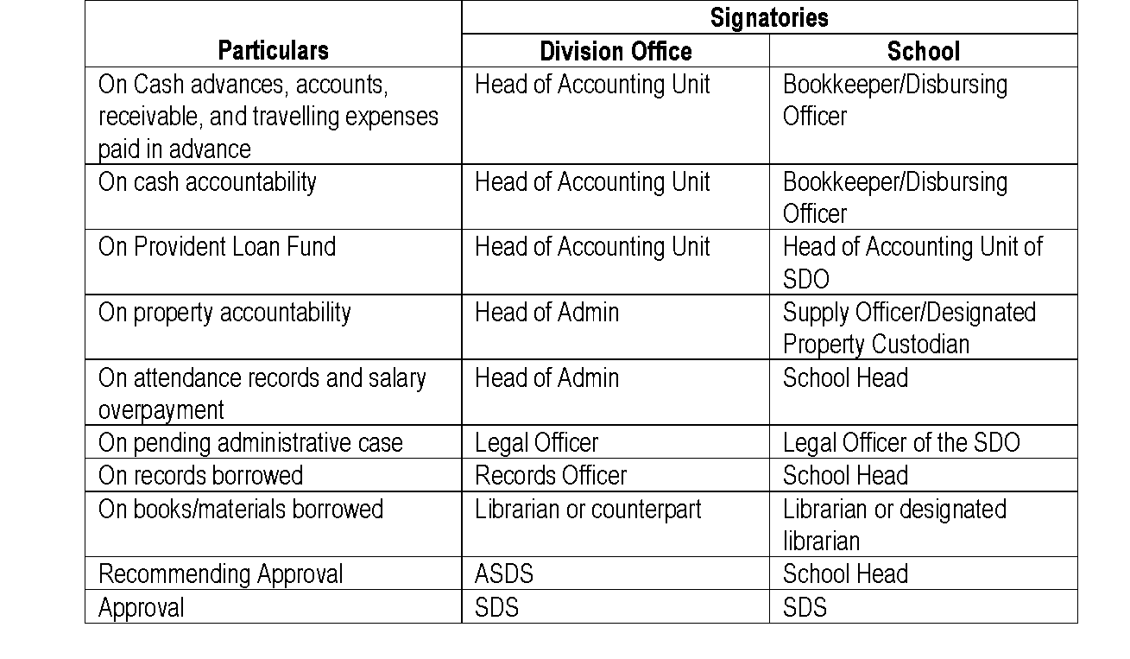

 | On Agency Accredited Union/Cooperative - NEU President
 | On Scholarship Services - Senior Education Program Specialist for HRD
 | Page 2 of 2

